Team overall
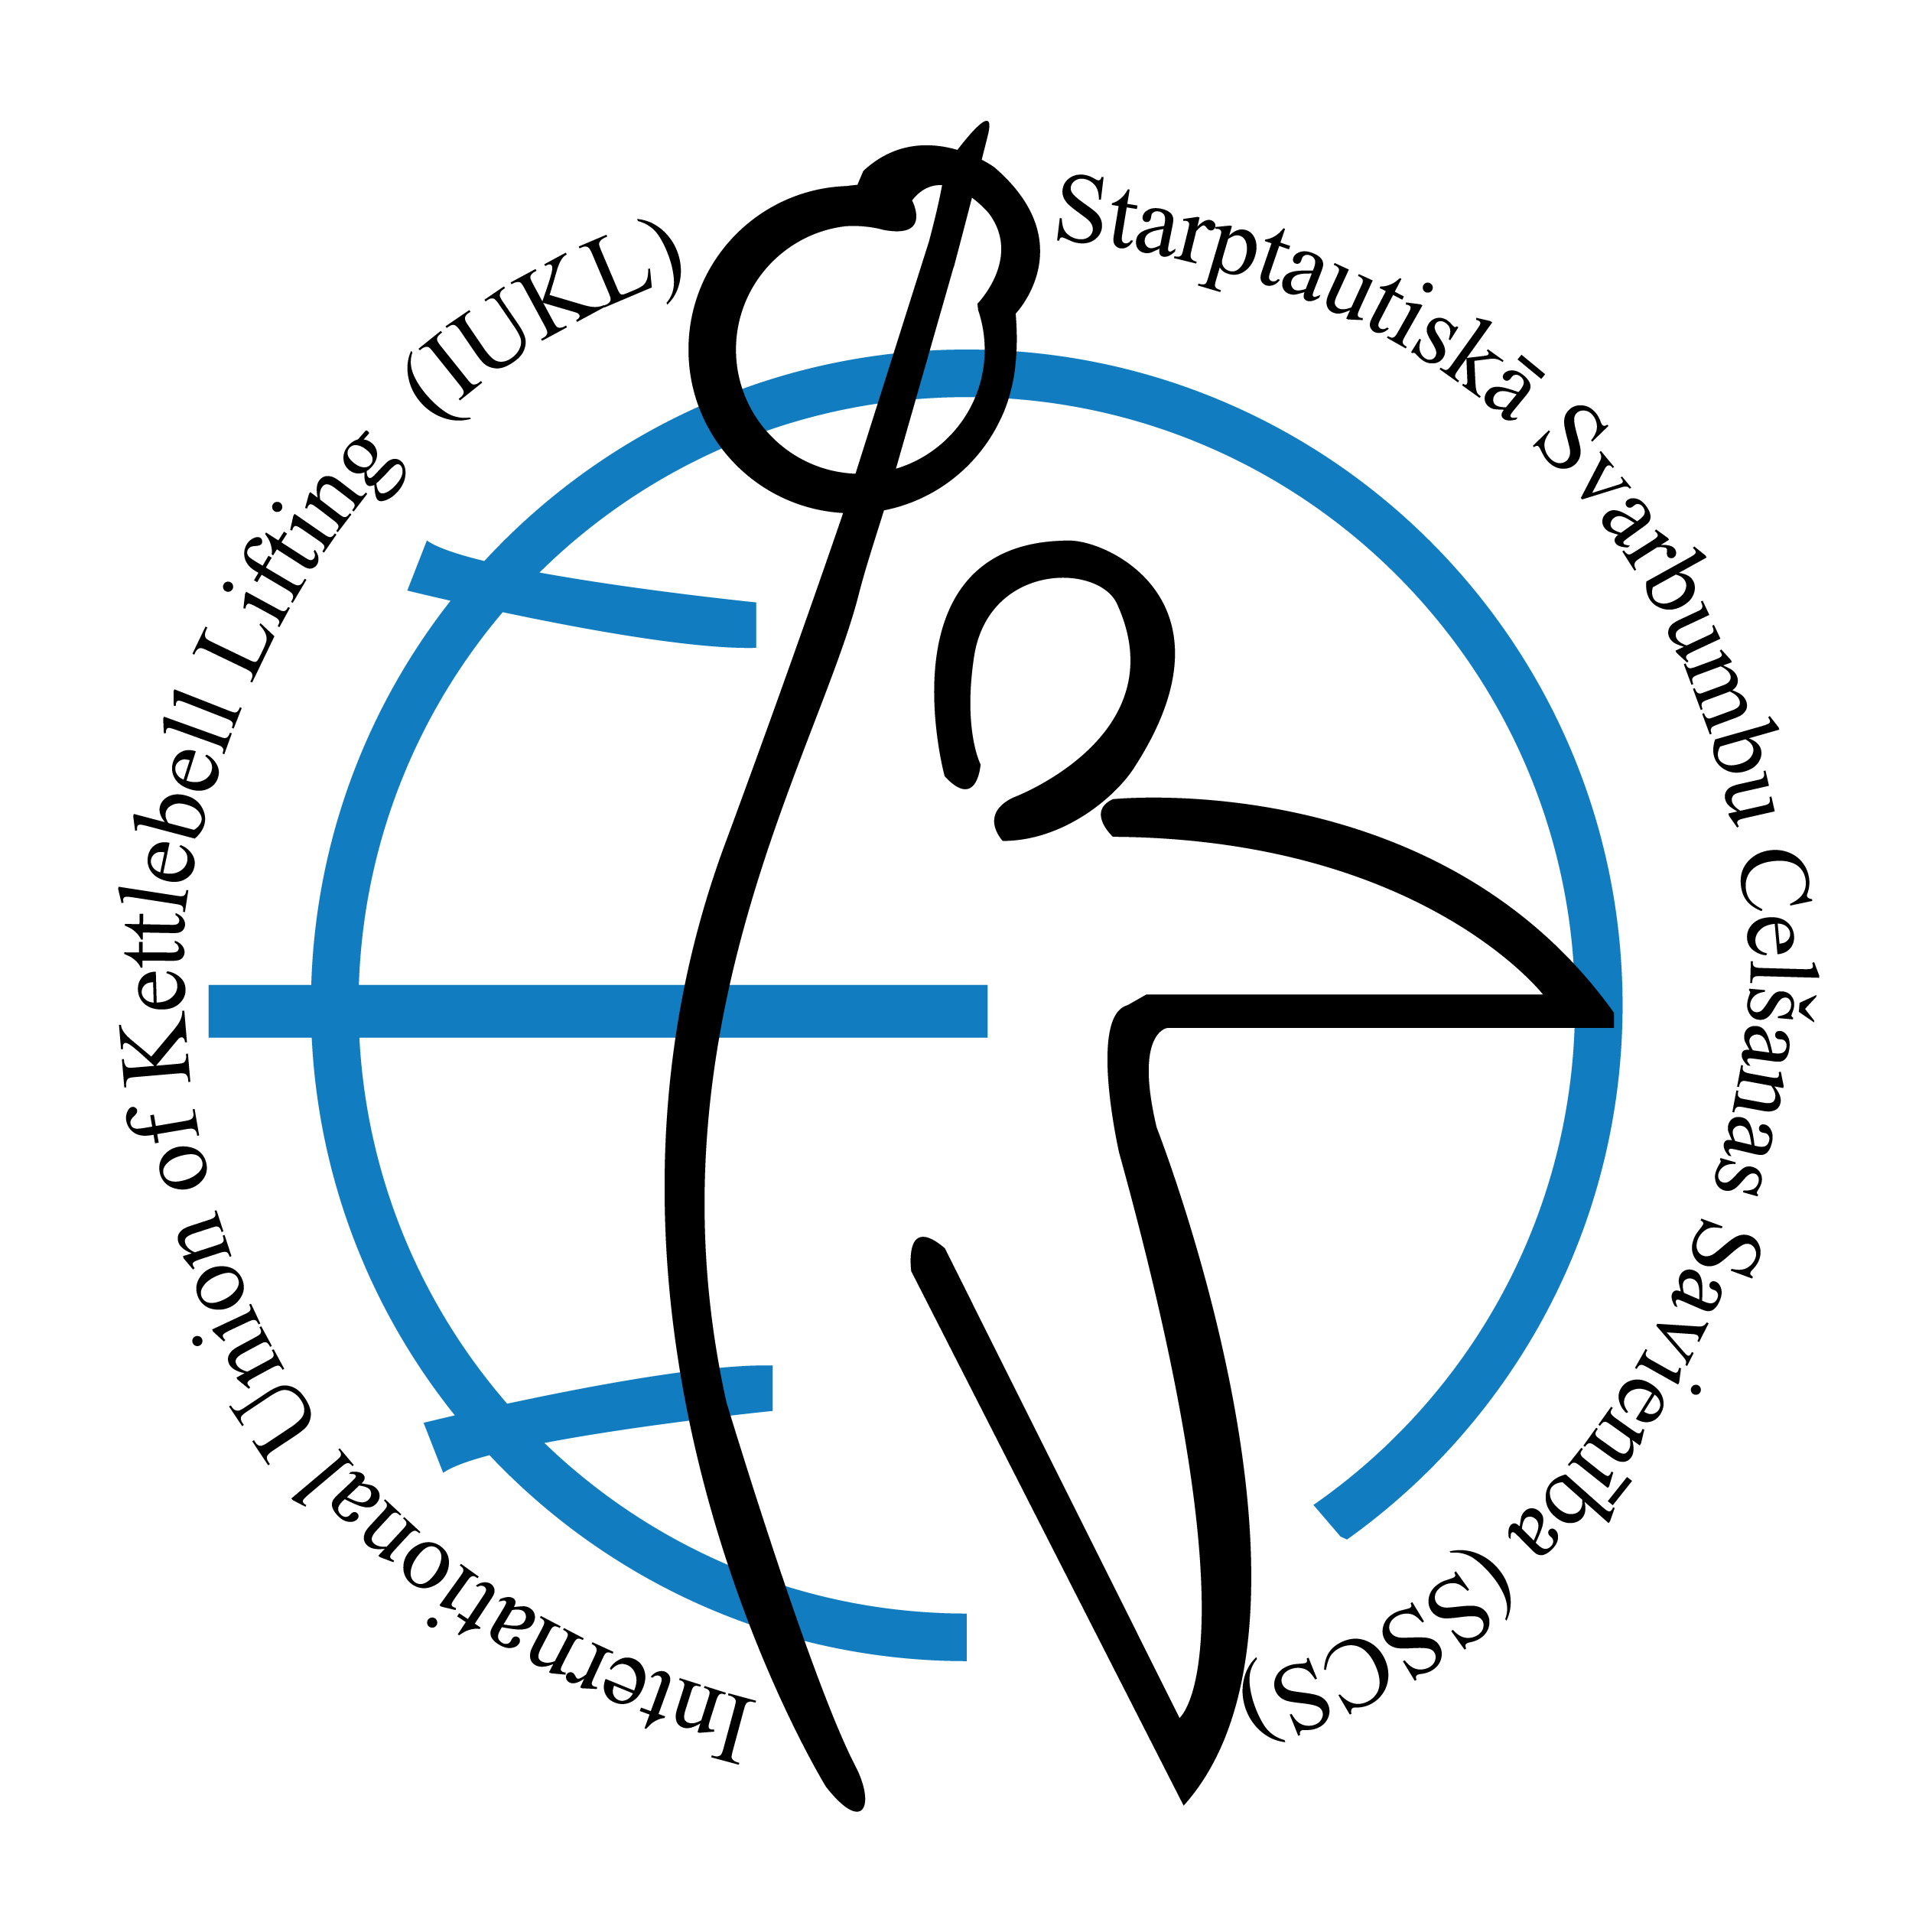
 |  | Название соревнований: |  |  | European Championship among Youth U-16/U-28, Juniors U-23, Adults
 |  |  |  |  | European Cup among Seniors
 |  | Name of competition: |  |  | Open European Cup & Grand Prix
 |  |  |  |  | Open European Games
 |  | Период проведения соревнований: |  |  | 09 - 13 April 2025
 |  | Period of carrying out of competitions:

 |  | Место проведения соревнований: |  |  | Obl. Sofia, Obshina Gorna Malina, Sporten kompleks "Gorna Malina"
 |  | Place of carrying out of competitions:

U16/U18 | Man U-16 | Man U-18 | Women U16 | Women U18 | Relay Race men U18 | Relay Race women U18 | Total | Place
Team | Points | Points | Points | Points | Points | Points
Ukraine | 60 | 60 | 40 | 40 | 0 | 0 | 200 | 1
France | 0 | 0 | 38 | 20 | 0 | 0 | 58 | 2
Greece | 0 | 0 | 16 | 0 | 0 | 0 | 16 | 5
Estonia | 54 | 0 | 0 | 0 | 0 | 0 | 54 | 3
Latvia | 0 | 0 | 0 | 20 | 0 | 0 | 20 | 4

U23 | Man U-23 |  | Women U23 |  | Relay Race men U23 | Relay Race women U23 | Total | Place
Team | Points |  | Points |  | Points | Points
Ukraine | 100 |  | 60 |  | 20 | 0 | 180 | 1
Lithuania | 60 |  | 40 |  | 0 | 0 | 100 | 2
Latvia | 0 |  | 38 |  | 0 | 0 | 38 | 4
Bulgaria | 0 |  | 40 |  | 0 | 0 | 40 | 3
Ireland | 0 |  | 18 |  | 0 | 0 | 18 | 5

Adult | Man |  | Women |  | Relay Race men | Relay Race women | Total | Place
Team | Points |  | Points |  | Points | Points
Ukraine | 100 |  | 60 |  | 20 | 0 | 180 | 1
Lithuania | 88 |  | 36 |  | 18 | 0 | 142 | 2
Latvia | 79 |  | 52 |  | 0 | 0 | 131 | 3
Bulgaria | 77 |  | 49 |  | 0 | 0 | 126 | 4
Estonia | 65 |  | 0 |  | 0 | 0 | 65 | 7
Finland | 0 |  | 56 |  | 0 | 0 | 56 | 8
Ireland | 50 |  | 30 |  | 0 | 0 | 80 | 6
Hungary | 36 |  | 0 |  | 0 | 0 | 36 | 11
Greece | 30 |  | 18 |  | 0 | 0 | 48 | 9
Germany | 84 |  | 0 |  | 0 | 0 | 84 | 5
Poland | 16 |  | 0 |  | 0 | 0 | 16 | 14
England | 31 |  | 15 |  | 0 | 0 | 46 | 10
France | 18 |  | 0 |  | 0 | 0 | 18 | 13
Slovenia | 30 |  | 0 |  | 0 | 0 | 30 | 12

Veteran | Man |  | Women |  | Relay Race men | Relay Race women | Total | Place
Team | Points |  | Points |  | Points | Points
Estonia | 356 |  | 180 |  | 0 | 0 | 536 | 1
Lithuania | 170 |  | 0 |  | 20 | 0 | 190 | 2
Latvia | 116 |  | 0 |  | 0 | 0 | 116 | 3
Bulgaria | 18 |  | 0 |  | 0 | 0 | 18 | 14
France | 40 |  | 38 |  | 0 | 0 | 78 | 4
Norway | 0 |  | 40 |  | 0 | 0 | 40 | 7
Finland | 0 |  | 20 |  | 0 | 0 | 20 | 11
Bulgaria | 18 |  | 0 |  | 0 | 0 | 18 | 14
Italy | 20 |  | 20 |  | 0 | 0 | 40 | 7
Serbia | 78 |  | 0 |  | 0 | 0 | 78 | 4
Ukraine | 0 |  | 40 |  | 0 | 0 | 40 | 7
Slovakia | 0 |  | 20 |  | 0 | 0 | 20 | 11
Greece | 20 |  | 0 |  | 0 | 0 | 20 | 11
England | 58 |  | 0 |  | 0 | 0 | 58 | 6
Germany |  |  | 40 |  | 0 | 0 | 40 | 7

